Cover Page


THE ALLSTATE CORPORATION

Investor Supplement
Fourth Quarter 2017

The consolidated financial statements and financial exhibits included herein are unaudited. These consolidated financial statements and exhibits should be read in conjunction with the consolidated financial statements and notes thereto included in the most recent Annual Report on Form 10-K and Quarterly Reports on Form 10-Q. The results of operations for interim periods should not be considered indicative of results to be expected for the full year.

Measures used in these financial statements and exhibits that are not based on generally accepted accounting principles ("non-GAAP") are denoted with an asterisk (*). These measures are defined on the page "Definitions of Non-GAAP Measures" and are reconciled to the most directly comparable generally accepted accounting principles ("GAAP") measure herein.

Exec - 1
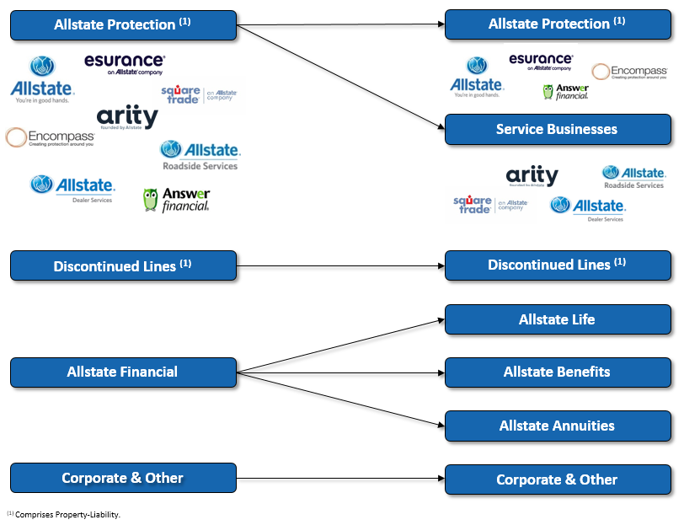
THE ALLSTATE CORPORATION
Investor Supplement - Fourth Quarter 2017
Updated to Reflect Changes in Reportable Segments

Beginning in the fourth quarter of 2017, Allstate will be reporting its financial performance in the following segments: Allstate Protection, Discontinued Lines and Coverages, Service Businesses, Allstate Life, Allstate Benefits, Allstate Annuities, and Corporate and Other. These segments align with the Company’s key product and service offerings, including the acquisition of SquareTrade and the strategic focus and expansion of Arity and other service businesses.

We have updated all periods presented in our Fourth Quarter 2017 Investor Supplement to be consistent with our new reportable segments.

Exec - 2
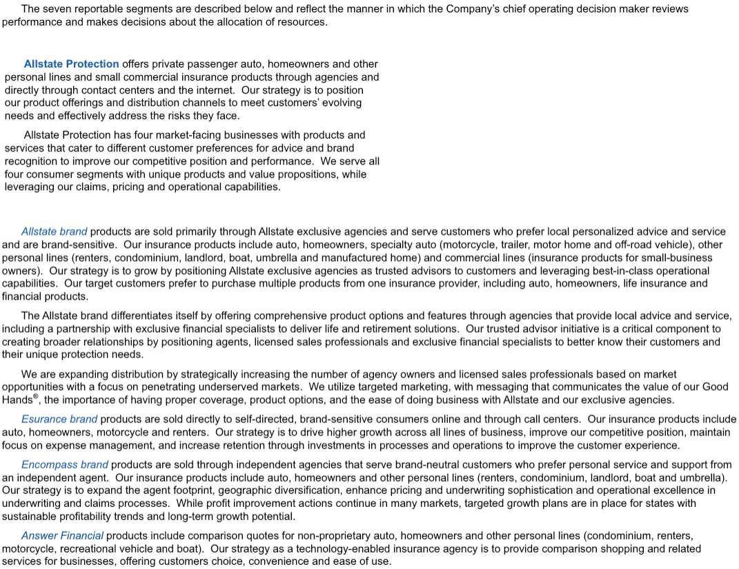
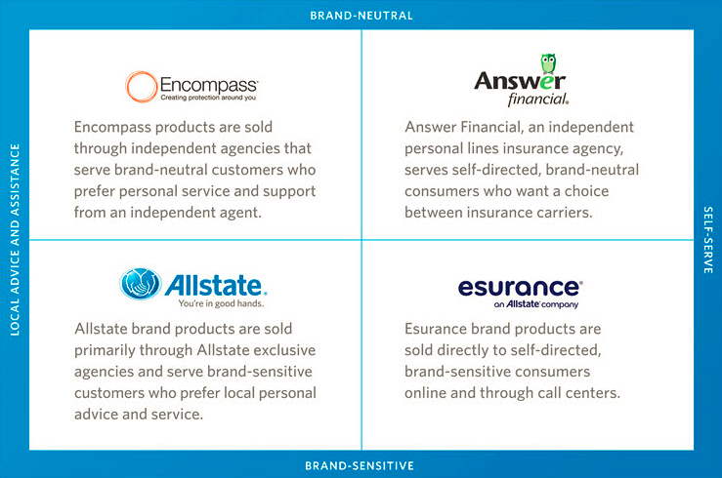
THE ALLSTATE CORPORATION
Investor Supplement - Fourth Quarter 2017
Reportable Segments Products and Strategies

Exec - 3
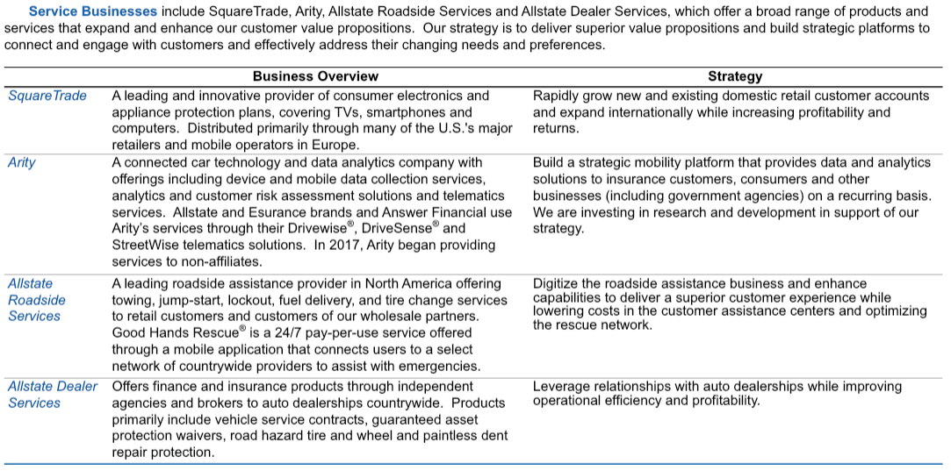
THE ALLSTATE CORPORATION
Investor Supplement - Fourth Quarter 2017
Reportable Segments Products and Strategies (continued)

Exec - 4
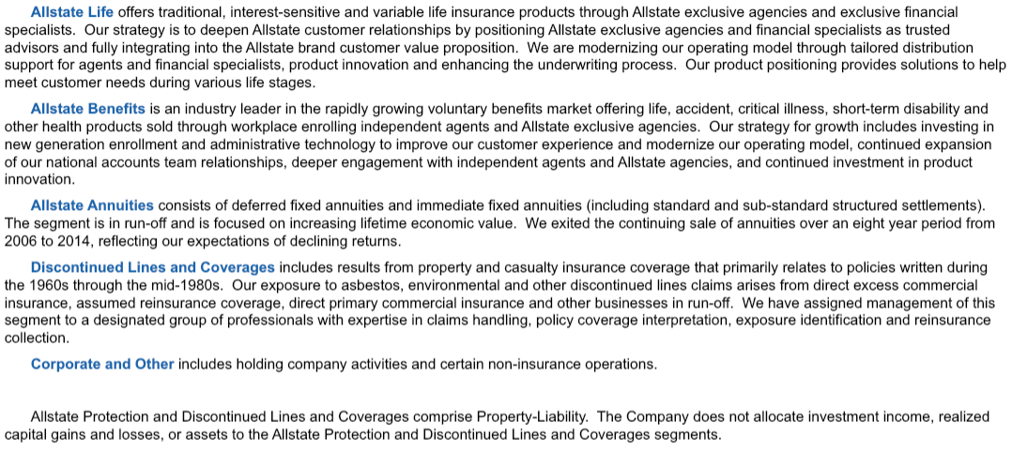
THE ALLSTATE CORPORATION
Investor Supplement - Fourth Quarter 2017
Reportable Segments Products and Strategies (continued)

Exec - 5
THE ALLSTATE CORPORATION
Investor Supplement - Fourth Quarter 2017
Revenue by Reportable Segments
Total Premiums Earned and Contract Charges $34,678 (1)
Premiums | 32300
Contract Charges | 2378

 | (1) | The Discontinued Lines and Coverages and Corporate and Other segments do not have recurring premiums or contract charges.
 | (2) | Excludes $110 million of intersegment premiums and service fees, which are eliminated in the consolidated financial statements.
Total Net Investment Income and Realized Capital Gains and Losses $3,846
Net Investment Income | 3401
Realized Capital Gains | 445
$ in millions, for the year ended December 31, 2017

Property-Liability $1,478 ⁽³⁾
Service Businesses $16
Allstate Life $489
Allstate Benefits $72
Allstate Annuities $1,305
Corporate and Other $41
Property-Liability $401 ⁽³⁾
Service Businesses $0
Allstate Life $5
Allstate Benefits $1
Allstate Annuities $44
Corporate and Other $(6)

 | (3) | Allstate Protection and Discontinued Lines and Coverages segments comprise Property-Liability. The Company does not allocate investment income, realized capital gains and losses, or investment assets to the Allstate Protection and Discontinued Lines and Coverages segments.

28
THE ALLSTATE CORPORATION
ALLSTATE BRAND AUTO CLAIM FREQUENCY ANALYSIS (1)
BODILY INJURY % CHANGE IN GROSS AND PAID CLAIM FREQUENCY RATE

 |  | 2012 |  |  |  | 2013 |  |  |  | 2014 |  |  |  | 2015 |  |  |  | 2016 |  |  |  | 2017
 |  | Q1 | Q2 | Q3 | Q4 | Q1 | Q2 | Q3 | Q4 | Q1 | Q2 | Q3 | Q4 | Q1 | Q2 | Q3 | Q4 | Q1 | Q2 | Q3 | Q4 | Q1 | Q2 | Q3 | Q4

Change in auto claim frequency (2)
(% change in frequency rate year over year)
% Change in gross claim frequency |  | -2.9% | 1.2% | -1.8% | -3.1% | -2.4% | -1.1% | 0.8% | -1.7% | -0.3% | -2.8% | -1.3% | 4.0% | 6.8% | 6.8% | 6.4% | 3.9% | 1.1% | 2.8% | 0.3% | -2.0% | -6.0% | -4.7% | -5.6% | -2.9%
% Change in paid claim frequency (3) |  | -0.2% | 1.1% | -1.0% | 0.7% | -2.3% | -2.7% | -2.1% | -4.7% | -4.7% | -3.8% | 0.2% | 4.7% | 2.3% | 6.0% | 3.5% | 0.0% | 5.9% | 1.5% | -19.6% | -19.2% | -20.5% | -23.7% | -9.1% | -13.2%

Rates of change in auto bodily injury frequency
 | % change in gross claim frequency |  | % change in paid claim frequency |  | gross claim frequency rate
Q1 | -2.9% | Q1 | -0.2% | 2012 Q1
Q2 | 1.2% | Q2 | 1.1% | 2012 Q2
Q3 | -1.8% | Q3 | -1.0% | 2012 Q3
Q4 | -3.1% | Q4 | 0.7% | 2012 Q4
Q1 | -2.4% | Q1 | -2.3% | 2013 Q1
Q2 | -1.1% | Q2 | -2.7% | 2013 Q2
Q3 | 0.8% | Q3 | -2.1% | 2013 Q3
Q4 | -1.7% | Q4 | -4.7% | 2013 Q4
Q1 | -0.3% | Q1 | -4.7% | 2014 Q1
Q2 | -2.8% | Q2 | -3.8% | 2014 Q2
Q3 | -1.3% | Q3 | 0.2% | 2014 Q3
Q4 | 4.0% | Q4 | 4.7% | 2014 Q4
Q1 | 6.8% | Q1 | 2.3% | 2015 Q1
Q2 | 6.8% | Q2 | 6.0% | 2015 Q2
Q3 | 6.4% | Q3 | 3.5% | 2015 Q3
Q4 | 3.9% | Q4 | 0.0% | 2015 Q4
Q1 | 1.1% | Q1 | 5.9% | 2016 Q1
Q2 | 2.8% | Q2 | 1.5%
Q3 | 0.3% | Q3 | -19.6%
Q4 | -2.0% | Q4 | -19.2%
Q1 | -6.0% | Q1 | -20.5%
Q2 | -4.7% | Q2 | -23.7%
Q3 | -5.6% | Q3 | -9.1%
Q4 | -2.9% | Q4 | -13.2%

(1) | Frequency statistics exclude counts associated with catastrophe events.
(2) | Paid claim frequency is calculated as annualized notice counts closed with payment in the period divided by the average of policies in force with the applicable coverage during the period. Gross claim frequency is calculated as annualized notice counts received in the period divided by the average of policies in force with the applicable coverage during the period. Gross claim frequency includes all actual notice counts, regardless of their current status (open or closed) or their ultimate disposition (closed with a payment or closed without payment). The percent change in paid or gross claim frequency is calculated as the amount of increase or decrease in the paid or gross claim frequency in the current period compared to the same period in the prior year; divided by the prior year paid or gross claim frequency.
(3) | Bodily injury claim process changes in the second half of 2016 related to enhanced documentation of injuries and related medical treatments are having a related impact on paid claim frequency and severity due to payment mix and claim closure patterns. These process changes are beginning to normalize and the related impacts on the percent change in paid claim frequency and severity have begun to moderate.

29
THE ALLSTATE CORPORATION
ALLSTATE BRAND AUTO CLAIM FREQUENCY ANALYSIS (1)
PROPERTY DAMAGE % CHANGE IN GROSS AND PAID CLAIM FREQUENCY

 |  | 2012 |  |  |  | 2013 |  |  |  | 2014 |  |  |  | 2015 |  |  |  | 2016 |  |  |  | 2017
 |  | Q1 | Q2 | Q3 | Q4 | Q1 | Q2 | Q3 | Q4 | Q1 | Q2 | Q3 | Q4 | Q1 | Q2 | Q3 | Q4 | Q1 | Q2 | Q3 | Q4 | Q1 | Q2 | Q3 | Q4

Change in auto claim frequency (2)
(% change in frequency rate year over year)
% Change in gross claim frequency |  | -4.8% | 0.7% | -1.8% | -4.3% | -0.7% | -0.3% | 0.6% | 1.4% | 5.1% | -2.4% | -1.0% | 0.5% | 2.1% | 6.9% | 8.9% | 7.5% | 2.1% | 5.6% | 3.9% | 1.2% | -3.9% | -5.2% | -8.0% | -4.1%
% Change in paid claim frequency |  | -4.3% | -0.3% | -3.4% | -4.1% | -4.5% | 0.5% | 3.7% | 0.8% | 2.9% | -0.4% | 0.4% | 2.5% | 2.5% | 4.2% | 4.7% | 3.7% | 2.4% | -0.1% | 0.1% | -1.2% | -3.2% | -3.4% | -9.0% | -5.2%

Rates of change in auto property damage frequency
 | % change in gross claim frequency |  | % change in paid claim frequency |  | gross claim frequency rate
Q1 | -4.8% | Q1 | -4.3% | 2012 Q1
Q2 | 0.7% | Q2 | -0.3% | 2012 Q2
Q3 | -1.8% | Q3 | -3.4% | 2012 Q3
Q4 | -4.3% | Q4 | -4.1% | 2012 Q4
Q1 | -0.7% | Q1 | -4.5% | 2013 Q1
Q2 | -0.3% | Q2 | 0.5% | 2013 Q2
Q3 | 0.6% | Q3 | 3.7% | 2013 Q3
Q4 | 1.4% | Q4 | 0.8% | 2013 Q4
Q1 | 5.1% | Q1 | 2.9% | 2014 Q1
Q2 | -2.4% | Q2 | -0.4% | 2014 Q2
Q3 | -1.0% | Q3 | 0.4% | 2014 Q3
Q4 | 0.5% | Q4 | 2.5% | 2014 Q4
Q1 | 2.1% | Q1 | 2.5% | 2015 Q1
Q2 | 6.9% | Q2 | 4.2% | 2015 Q2
Q3 | 8.9% | Q3 | 4.7% | 2015 Q3
Q4 | 7.5% | Q4 | 3.7% | 2015 Q4
Q1 | 2.1% | Q1 | 2.4% | 2016 Q1
Q2 | 5.6% | Q2 | -0.1%
Q3 | 3.9% | Q3 | 0.1%
Q4 | 1.2% | Q4 | -1.2%
Q1 | -3.9% | Q1 | -3.2%
Q2 | -5.2% | Q2 | -3.4%
Q3 | -8.0% | Q3 | -9.0%
Q4 | -4.1% | Q4 | -5.2%

(1) | Frequency statistics exclude counts associated with catastrophe events.
(2) | Paid claim frequency is calculated as annualized notice counts closed with payment in the period divided by the average of policies in force with the applicable coverage during the period. Gross claim frequency is calculated as annualized notice counts received in the period divided by the average of policies in force with the applicable coverage during the period. Gross claim frequency includes all actual notice counts, regardless of their current status (open or closed) or their ultimate disposition (closed with a payment or closed without payment). The percent change in paid or gross claim frequency is calculated as the amount of increase or decrease in the paid or gross claim frequency in the current period compared to the same period in the prior year; divided by the prior year paid or gross claim frequency.

