Cover Page
 | 

The Allstate Corporation

Investor Supplement
Historical Results Updated to Reflect Divestitures and Acquisition

The condensed consolidated financial statements and financial exhibits included herein are unaudited. These condensed consolidated financial statements and exhibits should be read in conjunction with the consolidated financial statements and notes thereto included in the most recent Annual Report on Form 10-K and Quarterly Reports on Form 10-Q. The results of operations for interim periods should not be considered indicative of results to be expected for the full year.

Measures used in these financial statements and exhibits that are not based on generally accepted accounting principles ("non-GAAP") are denoted with an asterisk (*). These measures are defined on the pages "Definitions of Non-GAAP Measures" and are reconciled to the most directly comparable generally accepted accounting principles ("GAAP") measure herein.

Exec Summary
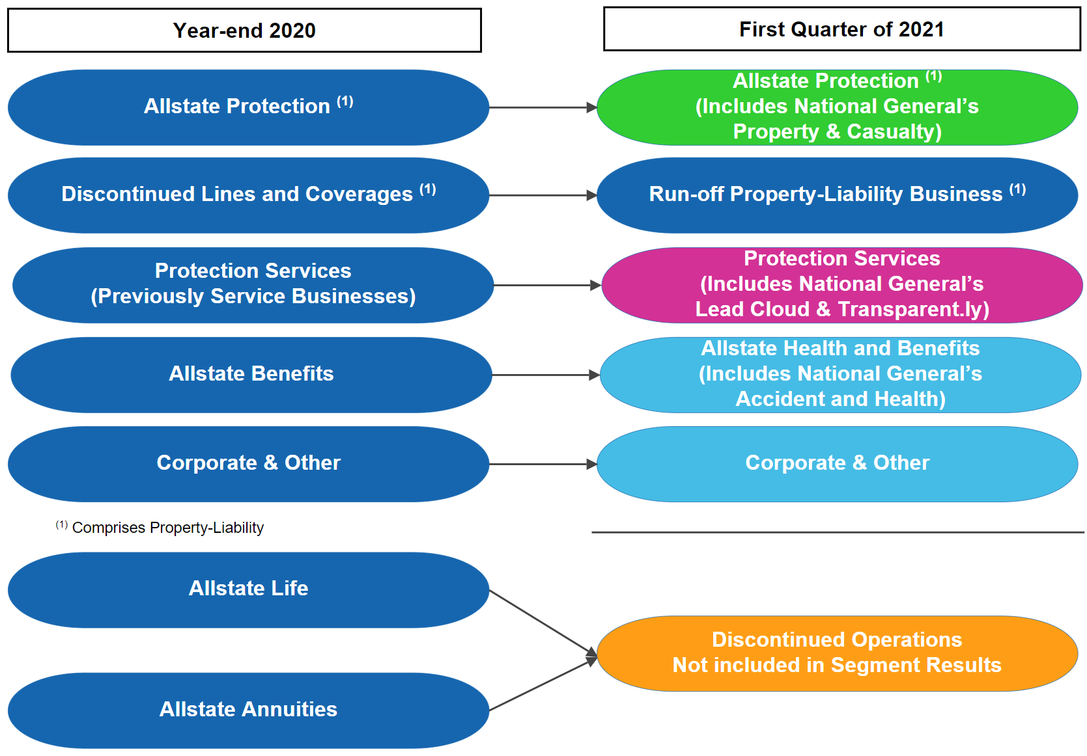
THE ALLSTATE CORPORATION
Investor Supplement
Historical Results Updated to Reflect Divestitures and Acquisition

In the first quarter of 2021, we completed the acquisition of National General Holdings Corp. We also announced the sale of Allstate Life Insurance Company and certain subsidiaries, and Allstate Life Insurance Company of New York. These changes are reflected in the following reportable segments: Allstate Protection, Run-off Property-Liability Business (previously Discontinued Lines and Coverages), Protection Services, Allstate Health and Benefits (previously Allstate Benefits) and Corporate and Other.

